Confirmed PO
PURCHASE ORDER |  |  |  |  |  |  |  |  |  | PT. LARA THALIA ABADI
PO NO | : |  |  |  |  |  |  |  |  | EVERBEST TOWER - CENGKARENG BUSINESS CITY TOWER M
 |  |  |  | EVERBEST |  |  |  |  |  | Jl. Atang Sanjaya no. 21 Benda - Tangerang Banten, Indonesia
DATE | : |  |  | NEW ARRIVAL |  |  |  |  |  | PHONE : 021 - 2252 9090
TO | : EDE |  |  |  |  |  |  |  |  | E-MAIL ADDRESS : buyer@everbestgroup.com

DESCRIPTION | DEVELOP CODE | STYLE NAME | COLOUR | SETS |  |  |  |  |  |  |  |  |  |  |  |  |  |  |  |  |  |  | QTY CARTON PER 12 | QTY CARTON PER 8 | QTY PAIRS | UNIT PRICE | AMOUNT
 |  |  |  | 12A | 12B | 12C | 12E | 12F | 12H | 12J | 12L | 4A | 4B | 4C | 6A | 6B | 6C | 6D | 8D | 8I | 8K | 8L
 | 开发代码 | 款式名称 |  |  |  |  |  |  |  |  |  |  |  |  |  |  |  |  |  |  |  |  |  |  |  | US$ | US$
 |  |  |  |  |  |  |  |  |  |  |  |  |  |  |  |  |  |  |  |  |  |  | - | - | - |  | $-
 |  |  |  |  |  |  |  |  |  |  |  |  |  |  |  |  |  |  |  |  |  |  | - | - | - |  | $-
Upper : |  |  |  |  |  |  |  |  |  |  |  |  |  |  |  |  |  |  |  |  |  |  | - | - | - |  | $-
Lining : |  |  |  |  |  |  |  |  |  |  |  |  |  |  |  |  |  |  |  |  |  |  | - | - | - |  | $-
Insole : |  |  |  |  |  |  |  |  |  |  |  |  |  |  |  |  |  |  |  |  |  |  |  |  |  |  | $-
Outsole : |  |  |  |  |  |  |  |  |  |  |  |  |  |  |  |  |  |  |  |  |  |  |  |  |  |  | $-
Heel Height : |  |  |  |  |  |  |  |  |  |  |  |  |  |  |  |  |  |  |  |  |  |  |  |  |  |  | $-
 |  |  |  |  |  |  |  |  |  |  |  |  |  |  |  |  |  |  |  |  |  |  | - | - | - |  | $-
Delivery Date
交货日期
LOGO : |  |  |  |  | COLOR | 35 | 36 | 37 | 38 | 39 | 40 | 41 | TOTAL
商标 |  |  |  |  | 0 |  |  |  |  |  |  |  | 0
TERM OF PAYMENT: | CREDIT |  |  |  | 0 |  |  |  |  |  |  |  | 0
{_alejandro_}
{_sets_}
 |  |  |  |  | 0 |  |  |  |  |  |  |  | 0
CARTON MARK ： |  |  |  |  | 0 |  |  |  |  |  |  |  | 0
( 箱标志 )
 |  |  |  |  | TOTAL |  |  |  |  |  |  |  | 0

PICTURE ( 图片 ):
0
0

0 |  | 0 |  | 0 |  | 0
SHOE BOX BARCODE : |  | PACKAGING 包装: |  |  | QR CODE STICKER: |  |  |  |  |  |  |  | LINING |  |  |  |  |  | SHOE MATERIAL CODE
(请贴这些条码在鞋盒按照图片) |  | 鞋盒 和 箱子 包法 |  |  | 二维码贴纸: |  |  |  |  |  |  |  | (打印在内里上） |  |  |  |  |  | 鞋子材料贴标
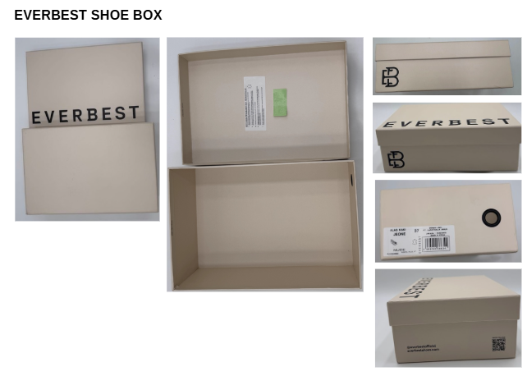
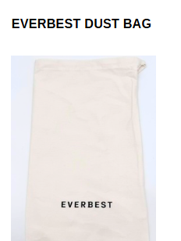
 |  |  |  |  |  |  |  |  |  |  |  |  | INSOLE 垫脚

ĀĀĀĀ编号，码数，生产号码

ĀĀĀĀ请放 二维码贴纸
在每个鞋盒里

ĀĀĀĀ请贴在两边鞋的外底
ĀĀĀĀ请用LTA胶带封箱 。请看图片

1. USING NEW SHOES BOX DESIGN |  | 1. PLEASE USE NEW DESIGN OF DUSTBAG AND NEW WRAPPING PAPER |  |  | 2. PLEASE PUT QR CODE STICKER IN EACH SHOE BOX |  |  |  |  |  |  |  | USE NEW LOGO AND LEATHER LOGO |  |  |  |  |  | PUT STICKERS AS SHOES COMPOSITION MATERIAL
2. LADIES SHOES BOX USING RED EYELET
3. MENS SHOES BOX USING BEIGE EYELET

Please give us EXTRA TOPLIFT/DIAMOND INSIDE shoesbox, based on the shoes

請給我們額外的TOPLIFT/DIAMOND 在鞋盒,根據鞋子

